1. Title Page
Instacart Grocery Basket Analysis

Project Name: Instacart Grocery Basket Analysis
Date: 3/30/23
Analyst Name: Ben Thomas

Contents:
Population Flow
Consistency checks
Wrangling steps
Column derivations
Visualizations
Recommendations

2. Population Flow
Title page

Population flow

Exclusion flag
Condition: max_order < 32424489
Obervations to be removed: 19630
Final total count of order_products_all: 32404859

Orders_products_combined
Orders_products_merged
Orders_products_all

Total: 32404859
Total: 32424489
Total: 32404859

1.) The grey boxes in the first row of the population flow represent the original data sets as they were when you downloaded them. In the Total fields you need to add the count of the rows when you imported the data set into Jupyter.
2.) The second row of boxes (coloured) represents the data sets after you manipulated them, e.g., removed missing values and duplicates. In the Total fields you need to add the count of the rows after conducting these operations. This offers a visual oveview of how the data flows throughout the data consistency checks.
3.) The third row, where also the arrows are coloured, represents the merges you performed between the datasets. In the Total fields you need to add the count of the rows in the merged datasets, so that you end up with the final dataset (in the red box). Keep in mind the final dataset should be without exclusions (based on the exclusion flag).

3. Consistency checks
 |  |  |  | Title page
Consistency checks

Dataset | Missing values | Missing values treatment | Duplicates
orders | 206209 | Kept data due to missing values in the name column | 0
products | 16 | Deleted rows | 5
orders_products_prior | 0 | N/A | 0
customers | 11259 | Kept data due to missing values in the name column | 0

4. Wrangling steps
 |  |  |  | Title page
Wrangling steps

Columns dropped | Columns renamed | Columns' type changed | Comment/Reason
eval_set |  |  | All data listed was "Prior"
 | order_dow to orders_day_of_week |  | Changed to give more explanation for the column
First Name |  |  | Remove personally identifiable information
Last Name |  |  | Remove personally identifiable information
 | Gender to gender |  | Changed to match consistency of previous column names
 | State to state |  | Changed to match consistency of previous column names
 | Age to age |  | Changed to match consistency of previous column names
 | n_dependants to number_dependents |  | Changed to match consistency of previous column names
 | Region to region |  | Changed to match consistency of previous column names

5. Column derivations
 |  |  |  | Title page

Column derivations and aggregations

In this tab you should add tables below that the frequences of flags/label variables that you produced after deriving them. NB: don't do this for continuous variables, only for flags.
Dataset | New column | Column/s it was derived from | Conditions
orders_products_merged | price_loc | prices | prices <= 5 - low-range product prices >5 and <= 15 - mid-range product prices > 15 - high-range product
orders_products_merged | busiest_day | order_dow | top 1 busiest day - busiest day slowest 1 day - least busy 5 remaining days - regularly busy
orders_products_merged | busiest_days | order_dow | top 2 busiest days - busiest days slowest 2 days - slowest days remaining 3 days - regularly busy
orders_products_merged | busiest_hours_of_the_day | order_hour_of_day | the 8 hours with the most orders - most orders the 8 hours with the fewest orders - fewest orders the remaining 8 hours in the middle - average orders
orders_products_merged | loyalty_flag | max_order | max order > 40 - loyal customer max order <= 40 and >10 - regular customer max order <= 10 - new customer
orders_products_merged | spender_flag | average_price | average price < 10 - low spender average price >= 10 - high spender
orders_products_merged | frequency_flag | median_prior_order | median prior order > 20 - non-frequent customer median prior order <= 20 and <10 - frequent customer median prior order <=10 - regular customer
orders_products_all | exclusion_flag | max_order | max order <5 - exclude max order >=5 - include
orders_products_all | age_group | age | age >= 60 - senior age <60 and >=35 - middle aged age <35 - young adult
orders_products_all | income_group | income | income >= 115000 - high income income <115000 and >=75000 - middle income income <75000 - low income
orders_products_all | income_dependents | n_dependents, income_group | high income group with 0 dependents - high income no dependents high income group with dependents >=1 - high income with dependents middle income group with 0 dependents - middle income no dependents middle income group with dependents >=1 - middle income with dependents low income group with 0 dependents - low income no dependents low income group with dependents >=1 - low income with dependents
orders_products_all | age_dependents | n_dependents, age_group | senior age group with 0 dependents - senior no dependents senior age group with dependents >=1 - senior with dependents middle aged age group with 0 dependents - middle aged no dependents middle aged age group with dependents >=1 - middle aged with dependents young adult age group with 0 dependents - young adult no dependents young adult age group with dependents >=1 - young adult with dependents

6. Visualizations
 | Title page

Visualisations

In this tab you should include all the visualtions from Exercises 4.9 and 4.10, alongside the questions from the project brief that they answer. Include any commentary on the relationship between different variables.

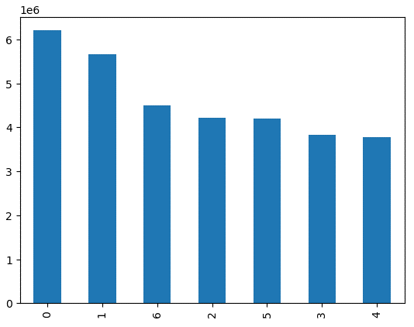

This graph shows the frequency of orders depending on the day of the week with Saturday and Sunday having the highest volume

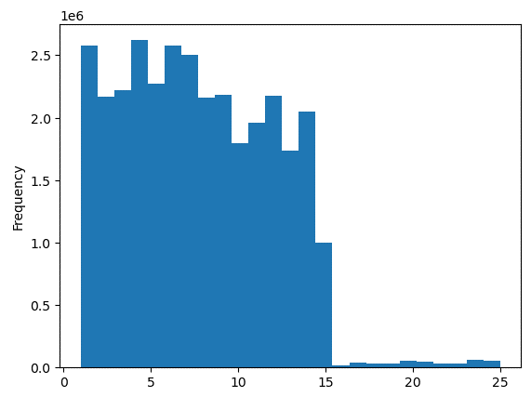

This graph shows the frequency of prices for all items under $25

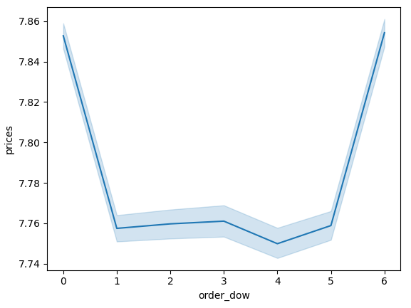

This graph shows the average prices depending on the day of the week

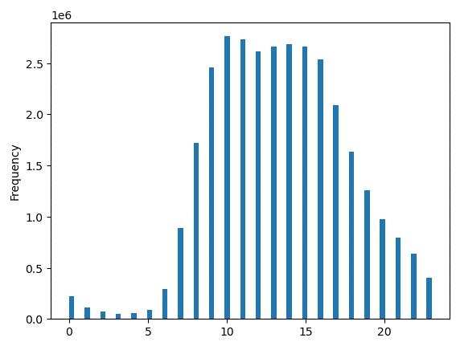

This graph shows the frequency of purchases based off of the hour of the day



This graph shows the frequency of customers based off of their loyalty status

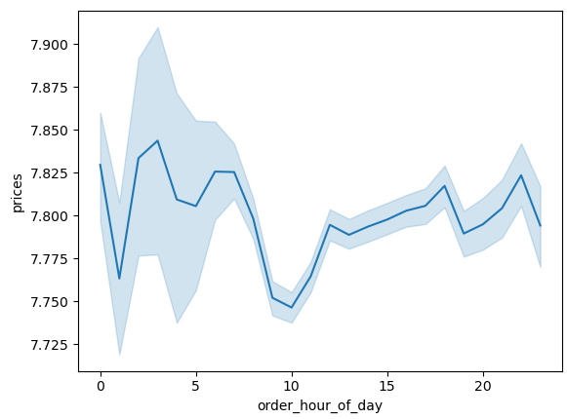

This graph shows the prices of items depending on the hour of the day

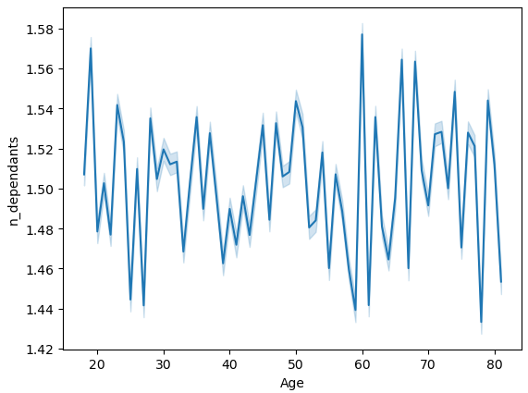

This graph shows the number of dependents based off of age

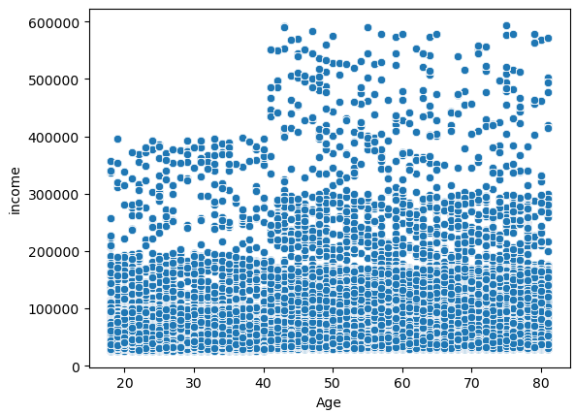

This graph shows the income and age of the customers

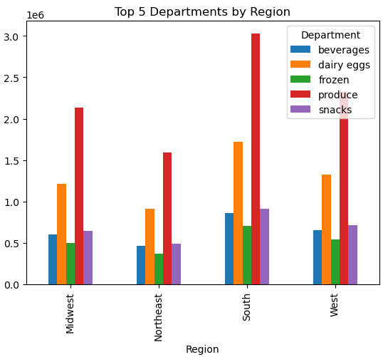

Top 5 departments by region to show the trends of buying by region.

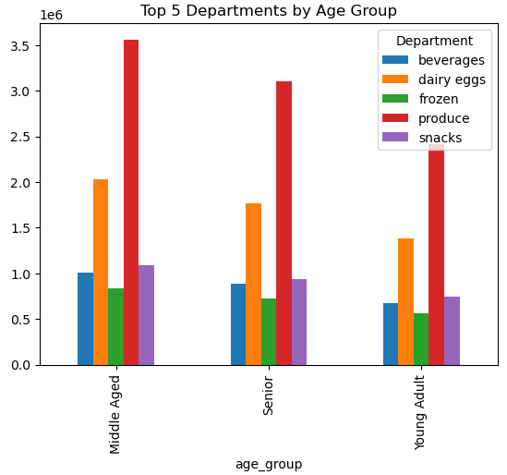

Top 5 departments by age group to show the trends of buying by age group.

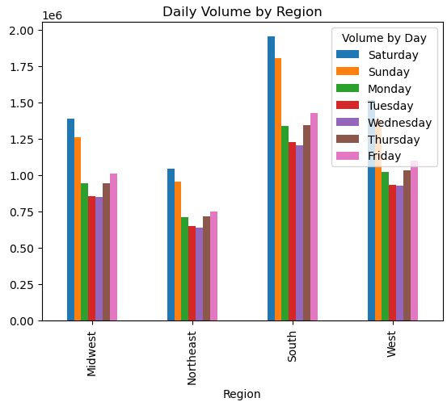

Trends of volume by region to show any trends of the region and day of the week.

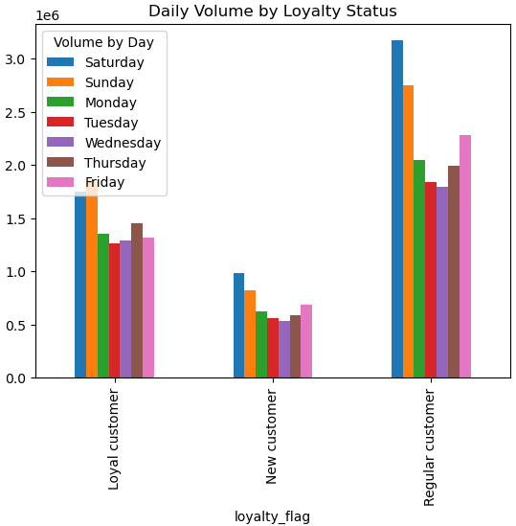

Trends of volume by loyalty status to determine if customer loyalty changes based off of the day of the week

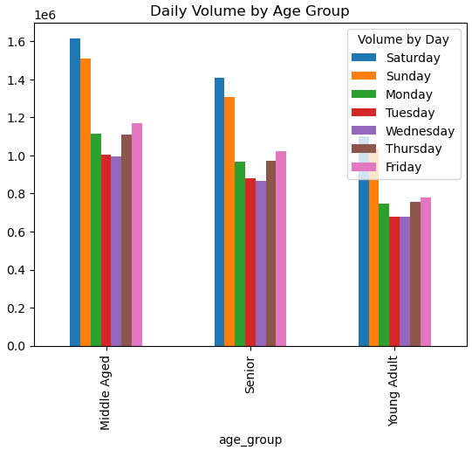

Trends of age group and daily volume by day of the week to see if any age groups have different buying patterns based off of the day.

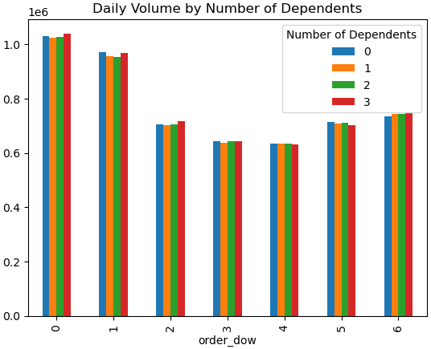

Breakdown of the volume of the day of the week for number of dependents to see if dependents have a trend on what customers buy

7. Recommendations
 |  | Title page

Recommendations

In this tab you should include any recommendations you would made to Instcart in terms of their marketing strategy based on the questions posed in the brief. Every key question has been covered in the Tasks of the Exercises - here you need to add an item - a visualisation or table/crosstable that is showing the answer in the data, acompanied by a comment from you. Please, list the questions below and add the answer underneath.


Question | Answer
What are the busiest days of the week and hours of the day?
Orders by Day of Week
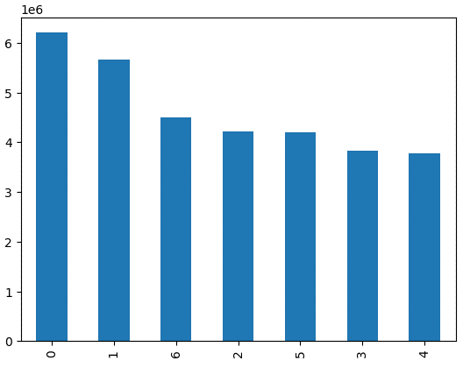
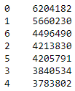

The busiest days are Saturday and Sunday from 9:00 - 16:00 and marketing should focus on running ads during these hours on Monday-Friday to drive more sales.

Are there particular times of the day when people spend the most money, as this might inform the type of products they advertise at these times.
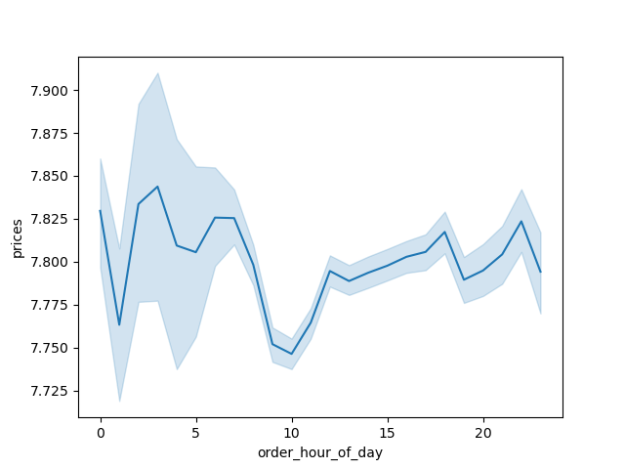

People spend the most money late at night and early in the morning.

Are there certain types of products that are more popular than others? The marketing and sales teams want to know which departments have the highest frequency of product orders
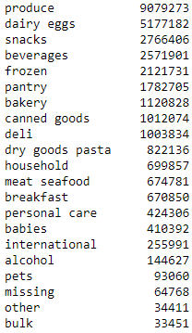

Produce has the highest frequency of products sold.

What's the distribution among users in regards to their brand loyalty?
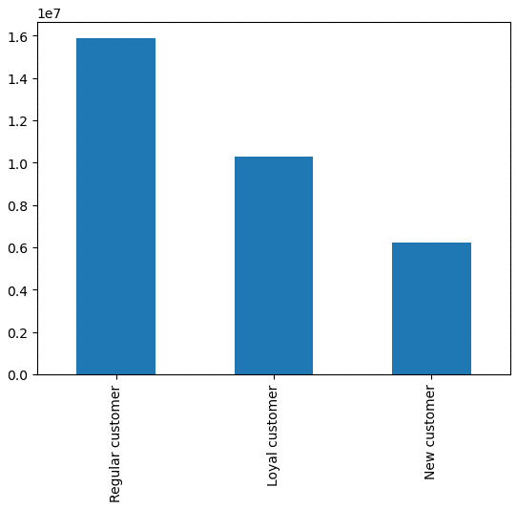

The majority of users are regular customers.

Are there differences in ordering habits based on a customer's loyalty status?
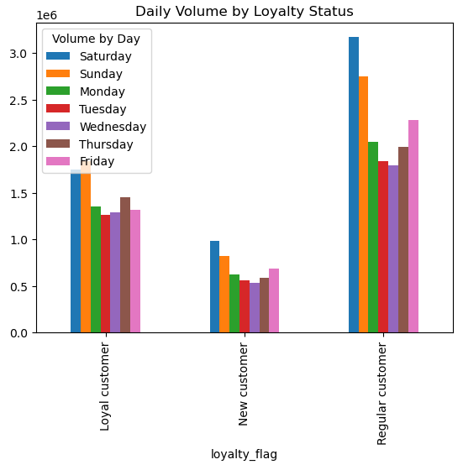

The day with the most orders for a loyal customer is Sunday instead of Saturday. Thursday is also higher than Monday and Friday which is different than new or regular customers.

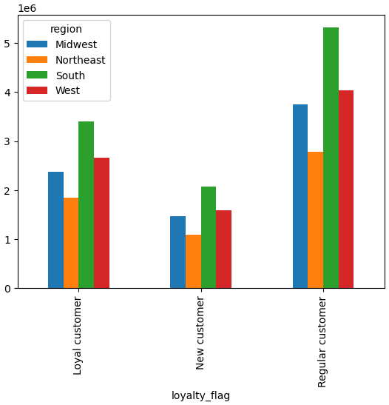
Are there differences in ordering habits based on a customer's region?
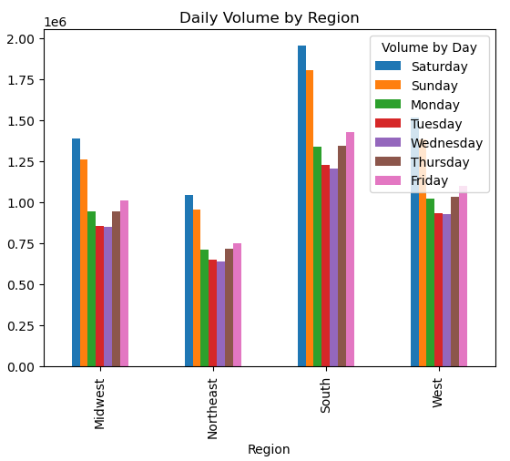
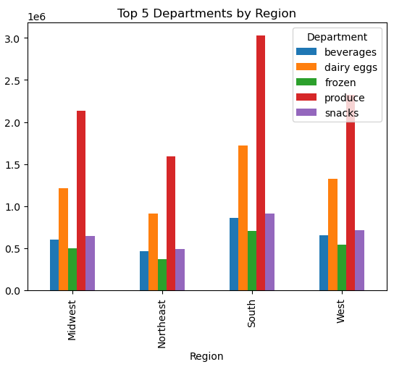

Looking at overall volume and the top 5 departments, the trends look very similar based on each region.

Is there a connection between age and family status in terms of ordering habits?

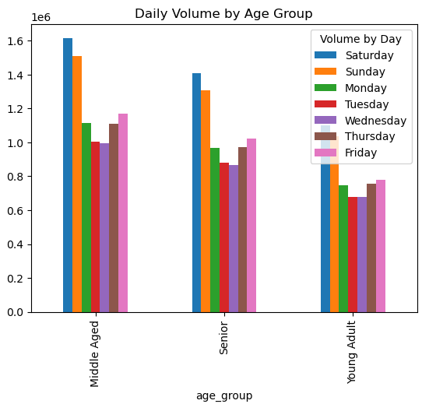


The top 5 departments and volume by age group are similar. The family status remains similar regardless of the number of dependents.

What different classifications does the demographic information suggest? Age? Income? Certain types of goods? Family status?

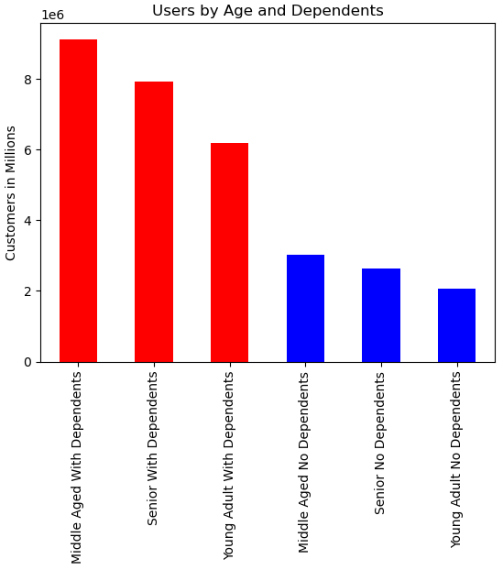

The older a customer is, the higher the income. The majority of customers are middle aged with dependents

Final Recommendations:
When comparing loyalty status, the majority of customers are regular customers, followed by loyal customers, and then new customers. Marketing efforts should be focused on regular customers because loyal customers should remain loyal and new customers makes up a small percentage of overall customers. The majority of customers are in the South region with the smallest region being the Northeast. Regular customers in the smallest region (Northeast) make up more than loyal customers in the largest region (South). The majority of items sold are produce followed by dairy/eggs, snacks, beverages, and frozen. The peak days and hours are Saturdays and Sundays from 9 am to 4 pm. Advertisements should be held during these times when there is the most online traffic to promote marking campaigns for the slow days of Tuesday and Wednesday and/or the slow hours from 4 pm - 9 am. Marketing efforts should be focused on the South, followed by the West, Midwest, and Northeast to reach the most people.

